Volt Div Calc
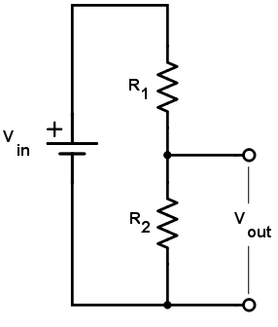
Do not change grey cells
 | Tag: | wt1
 |  |  |  | High V
 | V in high | 14.5 | v | Vout high R | 0.97072544903 | v
 | V in low | 10.5 | v | Vout low R | 0.082898334576 | v
 | R1 (fixed) | 4000 | ohm | Low V
 | R2 high (variable) | 287 | ohm | Vout high R | 0.70293911826 | v
 | R2 low (variable) | 23 | ohm | Vout low R | 0.060029828486 | v
 | p high | 0.000302234375
 | p low

 | vout | 0.78
+ve | 3292 |  | 199 |  | gnd
 | ratio | 16.54
12.84 | voltage | 0.78

 | reverse voltage ratio | 16.542713568
 | reverse resistor ratio | 199

Temp Sender
Temperature Sender Information.
 |  |  |  | Temperature | Resistance
Make: | VDO |  |  | ˚C | ohms
Model: | 320.721 |  |  | 91.5 | 58.1
Part Number: | 323805001002C |  |  | 90 | 60.4
 | Datasheet |  | Calibrated | 85 | 68.5
 | ˚C | Ohms |  | 80 | 83.39
Range: | 80 | 264 |  | 80 | 79.15
LRV: | 40 | 287 | 311 | 75 | 92.7
URV: | 120 | 23 |  | 72.5 | 96.2
 |  |  |  | 70 | 108
Test Instruments: |  |  |  | 69.8 | 107
Fluke Type K thermocouple |  |  |  | 65 | 126.8
Mastech bench multimeter |  |  |  | 64 | 131
 |  |  |  | 60 | 149.7
 |  |  |  | 55 | 178.6
 |  |  |  | 49 | 220
 |  |  |  | 48 | 232.6
 |  |  |  | 41 | 300
 |  |  |  | 40 | 311

Temp Sender Calibration Check

